CBRE Wiring Instructions
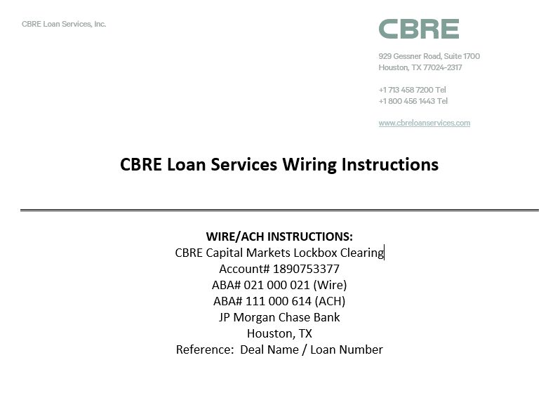
Bank: | JP Morgan Chase Bank
Account Name: | CBRE Capital Markets Lockbox Clearing
ABA: | 021 000 021
Account #: | 1890753377
Reference: | Deal Name / Loan Number

